Instructions
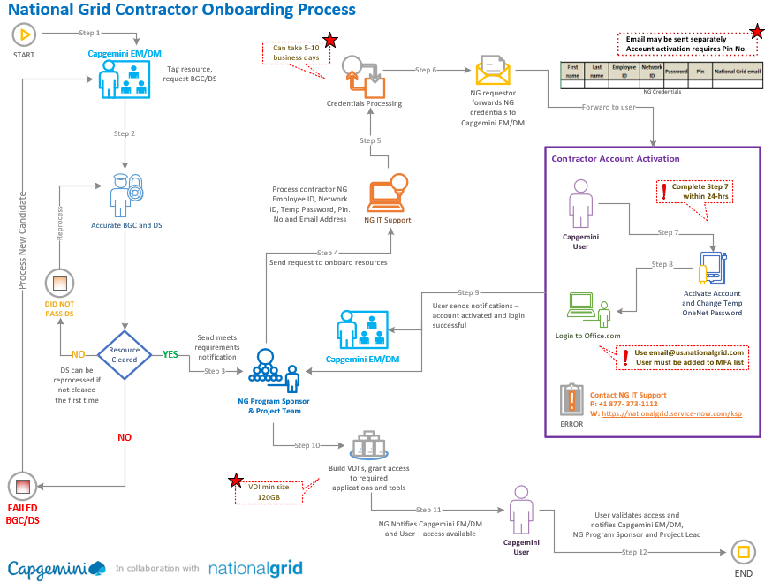

Capgemini Responsibilities

1. Mandatory Background Check (BGC) and Drug Screening (DS) - All resources assigned to the project/engagement will completed requirements as instructed.
2. Resources Cleared - The Capgemini Engagement or Delivery Manager will forward onboarding request with meets requirements notification to the National Grid Program Sponsor and Project Team.

3. National Grid credentials received - Capgemini EM/DM will forward information to resources. Users will activate accounts within 24 hours and change temporary password.
4. Users will receive a National Grid email. Users must login to Office.com with username@us.nationalgrid.com.
Capgemini Engagement or Delivery Manager will provide detailed instructions on Account Activation, Office.com access, Skype login, VDI logon/log-off procedures, Office.com login.

National Grid Sponsor Responsibilities
1. Submit request to IT Support for contractor credentials.
2. Once credentials are created, IT Support notifies the NG requestor. The requestor forwards credentials notification to the Capgemini Engagement or Delivery Manager in the following table format. A pin number must be provided to activate account.

First name | Last name | Employee ID | Network ID | Password | Pin | National Grid email

Once user activates account and login to Office.com
3. Request to build and assign virtual desktop for remote access (120GB min size)
4. Request to add resources to Office 365 MFA list
5. Request to Jira admin to build Scrum Board for project
6. Request to add Scrum team to Jira/Confluence board

